Example
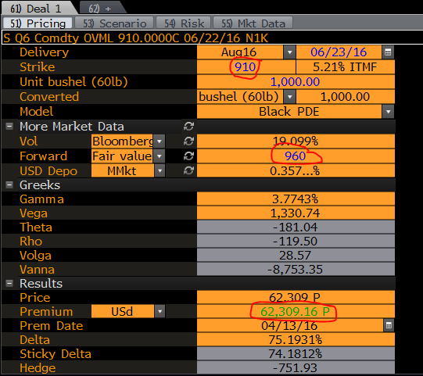
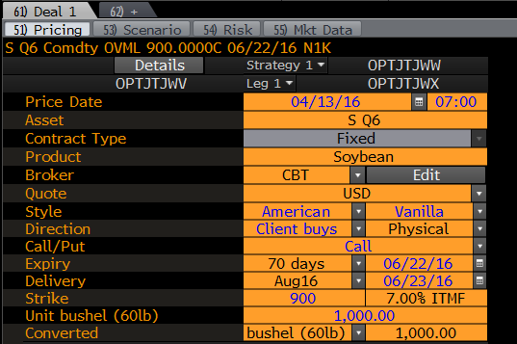
Option name |  | OPTJTJWV Corp
Price date | FXOPT_TRADE_DATE | 2016-04-13
Trade time | OPT_TRADE_TIME | 700 | {OPTJTJWV Comdty OVML<go>}
Pricing mode | FXOPT_VALUATION_CONVENTION | M
Type | FXOPT_OPTION_TYPE | VA
Direction | BANK_CLIENT_VIEW | C
Call/Put | FXOPT_CALLPUT | C
Delivery | FXOPT_DELIVERY_DATE | 23/06/2016
Strike | FXOPT_STRIKE | 1000
Notional | FXOPT_NOTIONAL | 1000
Model | FXOPT_MODEL | B
Volatility | FXOPT_VOLATILITY | 19.014
More Market Data
Swap Rate | FXOPT_FORWARD | 966.25
Depo Quoted | FXOPT_COMMODITY_DEPO_RATE | 0.358
Greeks
Gamma | FXOPT_GAMMA | 3.2054
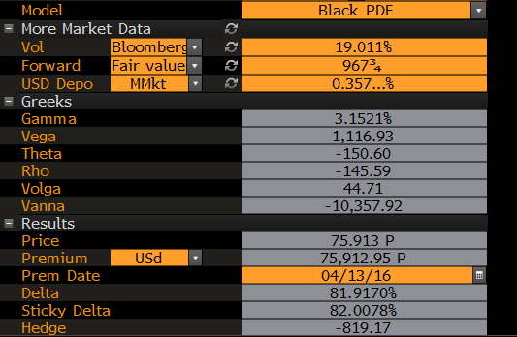
Vega | FXOPT_VEGA | 1,133.76
Theta | FXOPT_THETA | -153.02
Rho | OPT_RHO | -143.24
Volga | FXOPT_VOMMA | 43.39
Vanna | FXOPT_VANNA | -10,271.05 | {OPTJTJWV Comdty OVML<go>}
Results
Price | FXOPT_PRICE | 74.691
Price Currency | FXOPT_PRICE_CCY | USd
Premium | FXOPT_PREMIUM | 74,691.20
Premium date | FXOPT_PREMIUM_DT | 13/04/2016
Premium Currency | REPORTING_CURRENCY | #N/A Field Not Applicable
Delta | FXOPT_DELTA | 81.4204
Hedge | FXOPT_SPOT_HEDGE | -814.20
These are the fields to get the OVML data to Excel once a deal is priced and saved. Using the ticker of the option created, you can get the values into Excel like this. Now you have the ability to override the strike, expiry and type (C/P).

You can use the overrides interchangably. For example: |  | 21.249 | 62.309081869

Example (2)
Option name |  | OPTJTQZN Corp
Price date | FXOPT_TRADE_DATE | 2016-05-18
Trade time | OPT_TRADE_TIME | 700 | {OPTJTJWV Comdty OVML<go>}
Pricing mode | FXOPT_VALUATION_CONVENTION | M
Type | FXOPT_OPTION_TYPE | VA
Direction | BANK_CLIENT_VIEW | C
Call/Put | FXOPT_CALLPUT | P
Delivery | FXOPT_DELIVERY_DATE | 28/11/2016
Strike | FXOPT_STRIKE | 1000
Notional | FXOPT_NOTIONAL | 5000
Model | FXOPT_MODEL | B
Volatility | FXOPT_VOLATILITY | 25.638
More Market Data
Swap Rate | FXOPT_FORWARD | 402.5
Depo Quoted | FXOPT_COMMODITY_DEPO_RATE | 0.457
Greeks
Gamma | FXOPT_GAMMA | 1.4925
Vega | FXOPT_VEGA | 4,059.05
Theta | FXOPT_THETA | -271.49
Rho | OPT_RHO | -236.25
Volga | FXOPT_VOMMA | 88.84
Vanna | FXOPT_VANNA | -13,225.48 | {OPTJTJWV Comdty OVML<go>}
Results
Price | FXOPT_PRICE | 9.030
Price Currency | FXOPT_PRICE_CCY | USd
Premium | FXOPT_PREMIUM | 45,147.78
Premium date | FXOPT_PREMIUM_DT | 18/05/2016
Premium Currency | REPORTING_CURRENCY | #N/A Field Not Applicable
Delta | FXOPT_DELTA | -19.8135
Hedge | FXOPT_SPOT_HEDGE | 990.67
These are the fields to get the OVML data to Excel once a deal is priced and saved. Using the ticker of the option created, you can get the values into Excel like this. Now you have the ability to override the strike, expiry and type (C/P).

You can use the overrides interchangably. For example: |  | 597.477 | 62.309081869

Sheet1
Corn
 |  | FUT_PUT_IMPLIED_VOLATILITY
 | C
2016-05-18 | Month |  | Put Implied | Call Implied | Implied Vol | Realised | Realised - Implied |  | Implied | Realised | -1w Implied Vol
2016-05-11 | N6 | C N6 Comdty | 24.80 | 24.83 | 24.82 | 28.72 | 3.91 | 395.75 | 6.19 | 7.16 | 24.42
 | U6 | C U6 Comdty | 29.74 | 29.95 | 29.85 | 27.72 | -2.13 | 398.25 | 7.49 | 6.95 | 28.25
 | Z6 | C Z6 Comdty | 27.32 | 27.11 | 27.22 | 25.28 | -1.93 | 402.75 | 6.90 | 6.41 | 25.97
 | H7 | C H7 Comdty | 24.75 | 24.76 | 24.76 | 24.23 | -0.53 | 409.75 | 6.39 | 6.25 | 23.24
 | K7 | C K7 Comdty | 23.54 | 23.55 | 23.55 | 23.38 | -0.17 | 414.00 | 6.14 | 6.10 | 22.93

Wheat
 | W
 | Month |  | Put Implied | Call Implied | Implied Vol | Realised | Realised - Implied |  | Implied | Realised | -1w Implied Vol
 | N6 | W N6 Comdty | 24.12 | 23.84 | 23.98 | 32.47 | 8.49 | 478.75 | 7.23 | 9.79 | 24.05
 | U6 | W U6 Comdty | 25.57 | 25.59 | 25.58 | 31.32 | 5.74 | 488.50 | 7.87 | 9.64 | 25.65
 | Z6 | W Z6 Comdty | 23.54 | 23.54 | 23.54 | 29.24 | 5.71 | 503.75 | 7.47 | 9.28 | 23.75
 | H7 | W H7 Comdty | 22.50 | 22.51 | 22.50 | 27.63 | 5.13 | 518.00 | 7.34 | 9.02 | 22.94
 | K7 | W K7 Comdty | 22.28 | 22.30 | 22.29 | 26.58 | 4.29 | 525.00 | 7.37 | 8.79 | 22.61

 | S |  | Put Implied | Call Implied | Implied Vol | Realised | Realised - Implied |  | Implied | Realised | -1w Implied Vol
 | N6 | S N6 Comdty | 23.00 | 22.32 | 22.66 | 27.23 | 4.57 | 1070.75 | 15.28 | 18.37 | 24.34
 | Q6 | S Q6 Comdty | 27.68 | 27.68 | 27.68 | 26.34 | -1.34 | 1072.25 | 18.70 | 17.79 | 28.15
 | U6 | S U6 Comdty | 27.42 | 27.33 | 27.38 | 23.96 | -3.42 | 1065.75 | 18.38 | 16.08 | 27.92
Beans
 | X6 | S X6 Comdty | 24.05 | 24.04 | 24.04 | 21.89 | -2.15 | 1059.25 | 16.04 | 14.61 | 24.19
 | F7 | S F7 Comdty | 21.32 | 21.33 | 21.33 | 20.76 | -0.57 | 1056.50 | 14.19 | 13.81 | 21.92

 | SB |  | Put Implied | Call Implied | Implied Vol | Realised | Realised - Implied |  | Implied | Realised | -1w Implied Vol
 | N6 | SBN6 Comdty | 35.17 | 35.69 | 35.43 | 37.01 | 1.58 | 16.42 | 36.64 | 38.28 | 35.26
 | V6 | SBV6 Comdty | 31.91 | 31.92 | 31.92 | 33.56 | 1.64 | 16.70 | 33.58 | 35.30 | 32.04
 | H7 | SBH7 Comdty | 29.04 | 29.28 | 29.16 | 30.56 | 1.40 | 17.13 | 31.47 | 32.98 | 28.98
 | K7 | SBK7 Comdty | 27.48 | 27.52 | 27.50 | 28.76 | 1.25 | 16.80 | 29.11 | 30.43 | 27.22
 | N7 | SBN7 Comdty | 25.90 | 25.94 | 25.92 | 27.12 | 1.19 | 16.48 | 26.91 | 28.15 | 25.71

SUGAR #11

